Variables
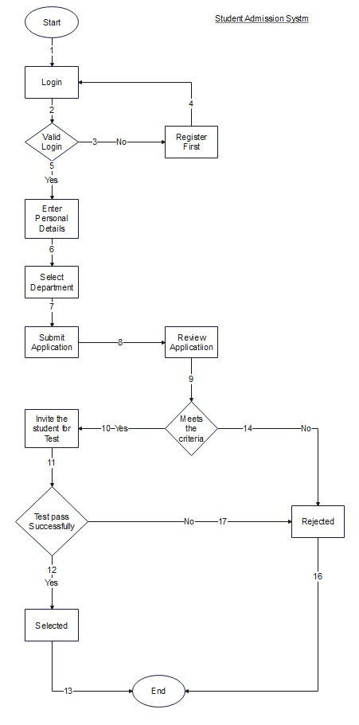
Input Variables
First Name
Last Name
Email
Password
Contact Number
Address
Department Name
CNIC
Document

